Sheet1
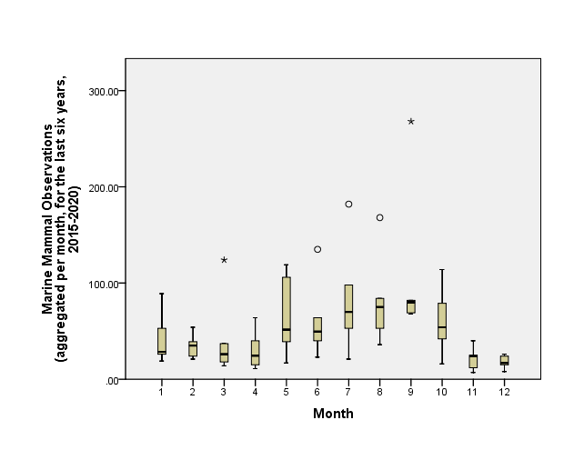
Response [1]
Model m1
Pre vs. during comparison
Averaged monthly sightings, ranging from 2015 to July 2020, but only focusing on the same months as the 2020 lockdown (April-July 2020) (Before = April-July 2015-2019; After = April-July 2020)
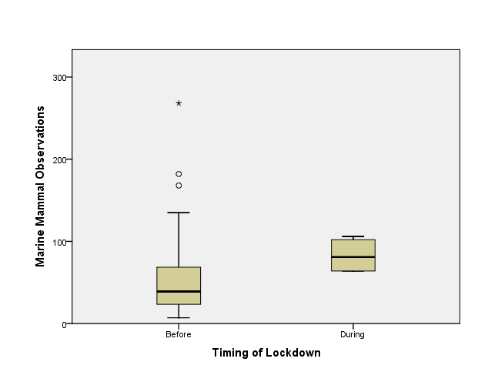
Call:
glm(formula = Obs~ Timing, family = stats::poisson, data = Thames2)

Deviance Residuals:
Min 1Q Median 3Q Max
-7.175 -4.155 -1.814 1.710 13.596

Coefficients:
 | Estimate | Std.Error | z-value | Pr(>|z|)
(Intercept) | 3.99452 | 0.03034 | 131.638 | 2.00E-16 | ***
TimingDuring | 0.42432 | 0.06271 | 6.766 | 1.32E-11 | ***
Signif. codes: 0 ‘***’ 0.001 ‘**’ 0.01 ‘*’ 0.05 ‘.’ 0.1 ‘ ’ 1

(Dispersion parameter for poisson family taken to be 1)

Null deviance: 632.59 on 23 degrees of freedom
Residual deviance: 590.27 on 22 degrees of freedom
(3 observations deleted due to missingness)
AIC: 730.59

Number of Fisher Scoring iterations: 5
Response [1]
Model m2
Change by year, poisson data
Averaged monthly sightings, ranging from 2015 to July 2020, but only focusing on the same months as the 2020 lockdown (April-July 2020) (Before = April-July 2015-2019; After = April-July 2020)
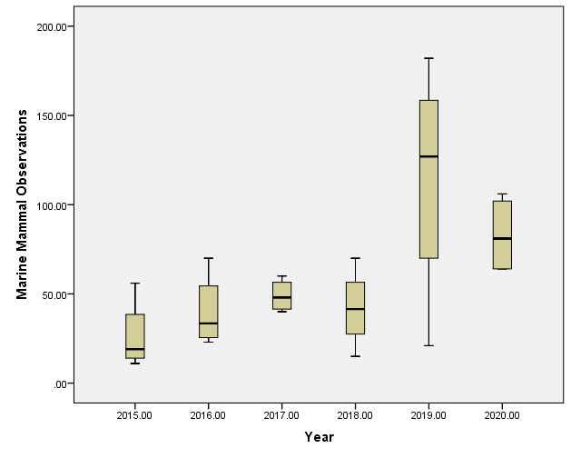
Call:
glm(formula = Obs~ Year, family = stats::poisson, data = Thames2)

Deviance Residuals:
Min 1Q Median 3Q Max
-7.7364 -2.5889 -0.9104 1.2538 9.9334

Coefficients:
 | Estimate | Std.Error | z-value | Pr(>|z|)
(Intercept) | -501.95236 | 33.20213 | -15.12 | <2e-16 | ***
Year | 0.25078 | 0.01645 | 1.52E+01 | <2e-16 | ***
Signif. codes: 0 ‘***’ 0.001 ‘**’ 0.01 ‘*’ 0.05 ‘.’ 0.1 ‘ ’ 1

(Dispersion parameter for poisson family taken to be 1)

Null deviance: 632.59 on 23 degrees of freedom
Residual deviance: 386.76 on 22 degrees of freedom
(3 observations deleted due to missingness)
AIC: 527.09

Number of Fisher Scoring iterations: 4
Response [2]
Model m3

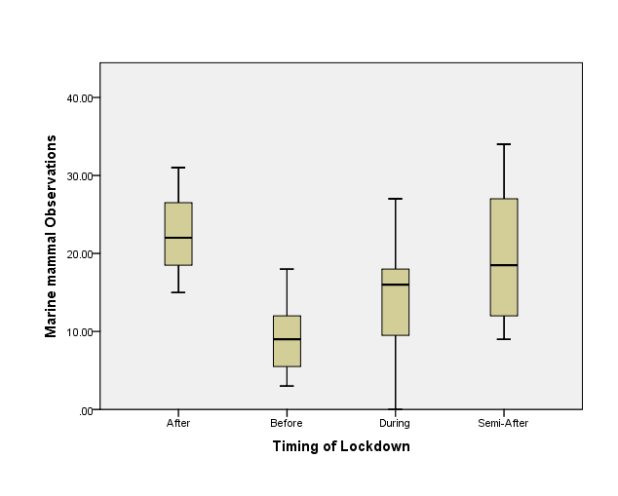
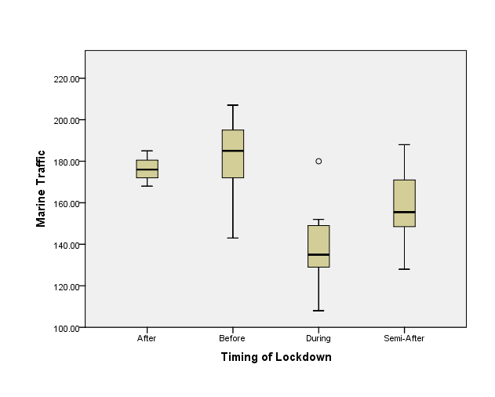
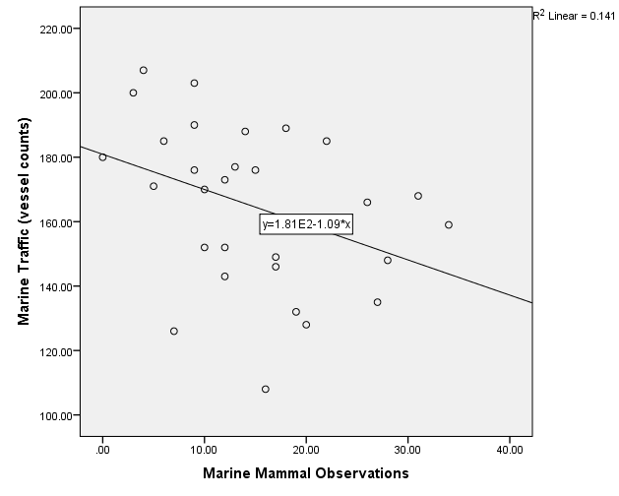
Call:
glm(formula = Obs ~ Marine Traffic + Timing, family = stats::poisson,
data = Thames_Vessel)

Deviance Residuals:
Min 1Q Median 3Q Max
-4.2164 -1.3835 -0.0314 1.0522 3.0279

Coefficients:
 | Estimate | Std.Error | z value | Pr(>|z|)
(Intercept) | 5.006352 | 0.515804 | 9.706 | <0.0000000000000002 | ***
Marine Traffic | -0.010708 | 0.002851 | -3.755 | 0.000173 | ***
TimingBefore | -0.852803 | 0.157135 | -5.427 | 5.72E-08 | ***
TimingDuring | -0.894043 | 0.195442 | -4.574 | 4.77E-06 | ***
TimingSemi-After | -0.345769 | 0.15665 | -2.207 | 0.027295 | *
---
Signif. codes: 0 ‘***’ 0.001 ‘**’ 0.01 ‘*’ 0.05 ‘.’ 0.1 ‘ ’ 1
 |  |  |  |  |  | Pairwise Comparisons of Lockdown |  |  |  |  |  | Pairwise Comparisons of Lockdown
(Dispersion parameter for poisson family taken to be 1) |  |  |  |  |  | Sample 1-Sample 2 | Test Statistic | Std. Error | Std. Test Statistic | Sig. | Adj. Sig.a | Sample 1-Sample 2 | Test Statistic | Std. Error | Std. Test Statistic | Sig. | Adj. Sig.a
 |  |  |  |  |  | Before-During | -5.753 | 4.112 | -1.399 | 0.162 | 0.970 | During-Semi-After | -5.036 | 4.405 | -1.143 | 0.253 | 1.000
Null deviance: 151.794 on 28 degrees of freedom |  |  |  |  |  | Before-Semi-After | -10.432 | 3.952 | -2.640 | 0.008 | 0.050 | During-After | 11.119 | 5.874 | 1.893 | 0.058 | 0.350
Residual deviance: 87.415 on 24 degrees of freedom |  |  |  |  |  | Before-After | 13.682 | 5.539 | 2.470 | 0.014 | 0.081 | During-Before | 13.831 | 4.115 | 3.361 | 0.001 | 0.005
AIC: 220.92 |  |  |  |  |  | During-Semi-After | -4.679 | 4.401 | -1.063 | 0.288 | 1.000 | Semi-After-After | 6.083 | 5.762 | 1.056 | 0.291 | 1.000
 |  |  |  |  |  | During-After | 7.929 | 5.868 | 1.351 | 0.177 | 1.000 | Semi-After-Before | 8.795 | 3.955 | 2.224 | 0.026 | 0.157
 |  |  |  |  |  | Semi-After-After | 3.250 | 5.757 | 0.564 | 0.572 | 1.000 | After-Before | -2.712 | 5.544 | -0.489 | 0.625 | 1.000
 |  |  |  |  |  | Each row tests the null hypothesis that the Sample 1 and Sample 2 distributions are the same. Asymptotic significances (2-sided tests) are displayed. The significance level is .05. |  |  |  |  |  | Each row tests the null hypothesis that the Sample 1 and Sample 2 distributions are the same. Asymptotic significances (2-sided tests) are displayed. The significance level is .05.
Number of Fisher Scoring iterations: 5 |  |  |  |  |  | a. Significance values have been adjusted by the Bonferroni correction for multiple tests. |  |  |  |  |  | a. Significance values have been adjusted by the Bonferroni correction for multiple tests.

 | Total N of Observers | Public Observers | Vessel Pilots
Jan-20 | 37 | 31 | 6
Feb-20 | 38 | 35 | 3
Mar-20 | 18 | 16 | 2
Apr-20 | 57 | 47 | 10
May-20 | 104 | 98 | 6
Jun-20 | 63 | 56 | 7
Jul-20 | 77 | 74 | 3

